Sheet1
Ipas Nepal- REQUEST FOR QUOTATION (RFQ for Diary) Please read the Terms of Reference of the RFQ properly.
Date:
Vendor Name:
Address:
PAN/VAT Number:
Contact Person Name:
Contact Details:
Email ID:

 |  |  |  |  | Firm Name

S.N. | PRINTING ITEM | Printing Item Detailed Specifications | Unit | Quantity | Unit Price Excluding VAT | Total Price Excluding VAT | Delivery Days after final purchase order

1 | Executive Diary | Size: A5 Cover Material: Premium PU Rexine with debossed logo and sides painted with Ipas logo printed Rexine Color: Dual-tone combination (Grey/Navy Blue and Light Yellow) Binding: Hardbound with foam padding and white stitching along the curved seam Medal: Stainless-steel medal with printed logo, attached with ribbon Features: Elastic diary holder on the back Edge Finish: Brand-color–coated paper edges with rounded corners and logo detail Color Pages: 41 Multicolor pages printed on 200 GSM Art Paper B/W Pages: 200 page Black-and-white pages printed on 80 GSM Maplitho Paper Personnalized name to be printed in 22 diary | PC | 500 |  | - |  | 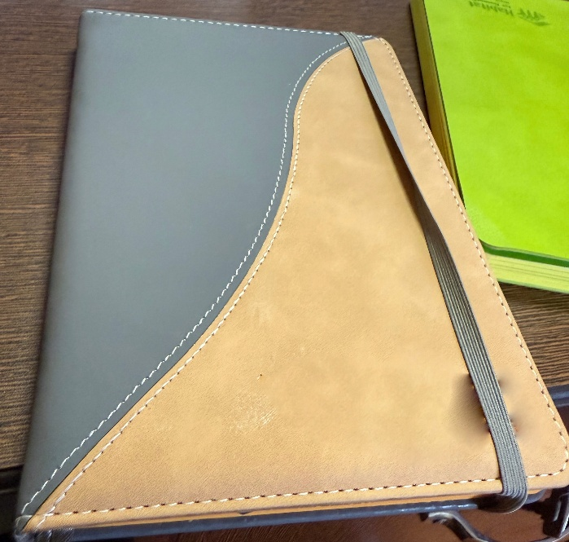
 |  |  |  |  |  | -
 |  |  |  |  | VAT | -
 |  |  |  |  | Total | -

 | NOTE: Terms of Reference for RFQ
1 | Out of the 500 units, 22 are personalized copies as per the attached design.
2 | Quotation should be send in PDF format in company letter head with stamp and signature.
3 | Mention delivery period for each item.
4 | All price to be quoted in NPR. Excluding VAT
5 | All legal document (VAT Registration, Company registration, Tax Clearance, Company profile).
6 | Quotation should be valid till 30 June 2026.
7 | Selected vendor is responsible for delivery of the goods to Ipas Nepal Office, Naxal.
8 | Payment terms is on credit, after final delivery of goods. Payment will be made within 30 days after final delivery and invocie submission.
9 | Insurance of goods in transit: Vendor will be responsible for the insurance of goods till delivery location.
10 | Inspection of goods: If materials printed is not found as per the quality mentioned in detailed specification and sample provided / the Final E-copy then the materials need to be replaced by vendor on their own cost.
11 | Supplier needs to visit the Ipas Nepal office for the sample check.
12 | The above mentioned quantities may increase or decrease.
13 | The deadline to submit RFQ is Wednesday, December 17, 2025

